Sheet2
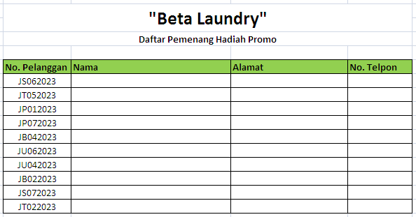
Fungsi LookUp

Tugas Praktek Mandiri 04.01
Kerjakan di Sheet1 ini
Buat Tabel untuk Daftar Pemenang Hadiah Promo seperti tampak pada Sheet2
Lengkapi kolom Nama, Alamat dan No. Telpon dengan menggunakan Formula LookUp berdasarkan data pada Sheet Pelanggan
Simpan file dengan format: Nama Lengkap TPM 04.01

